Shrubs and Perennials (2)
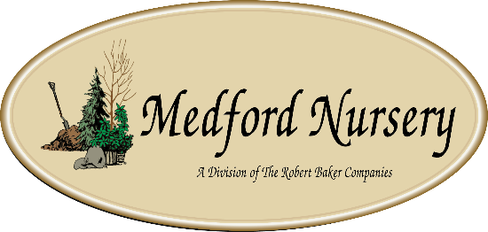

Current Availability for the Week of January 18, 2026
Order Date: |  |  |  |  | Purch. Order # :
Ship Date: |  |  |  |  | Terms:
Sales Rep: |  |  |  |  | Ship Via:
Customer Billing Address Information: |  |  |  |  | Customer Ship to Information:
Customer: |  |  |  |  | Customer:
Street: |  |  |  |  | Street:
City: |  |  |  |  | City:
State: |  |  |  |  | State:
Zip Code: |  |  |  |  | Zip Code:
Ordered by: |  |  |  |  | Ordered by:
Phone: |  |  |  |  | Phone:
Fax: |  |  |  |  | Fax:
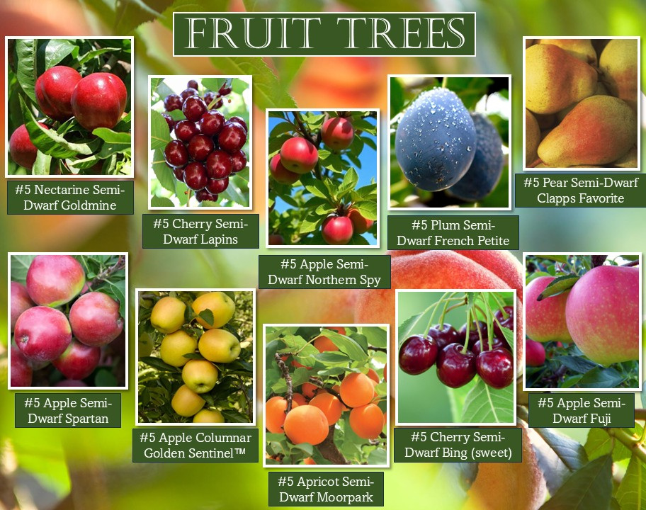
Email: |  |  |  |  | Please order in Quantities of 5 or more Minimum order for Shipping $1500

Current Plant Photos From Medford Nursery @ This Link or follow the QR code

 | Available |  |  |  | Container Size | Catolog Price | Special Net Price | Weekly Comment | ExtPrice | UPCcode | ItemId
0 |  |  |  |  |  |  |  |  | $0.00
 |  | Fit to Eat
 | 57 | Apple Columnar Golden Sentinel™ |  | avail 3/15 | #5 |  |  | yellow, z4 | $0.00 | 732726099746 | APPCUMGSLG05NSMED
 | 45 | Apple Columnar Northpole | NEW | avail 3/15 | #5 |  |  | red, z4 | $0.00 | 732726107670 | APPCUMNPEG05NSMED
 | 51 | Apple Columnar Scarlet Sentinel™ |  | avail 3/15 | #5 |  |  | red, z4 | $0.00 | 732726099753 | APPCUMSAIG05NSMED
 | 42 | Apple Semi-Dwarf Braeburn |  | avail 3/15 | #5 |  |  | red, tangy, z5 | $0.00 | 732726096783 | APPSDBRBG05NSMED
 | 54 | Apple Semi-Dwarf Cortland |  | avail 3/15 | #5 |  |  | bright red, sweet, z4 | $0.00 | 732726077591 | APPSDCORG05NSMED
 | 76 | Apple Semi-Dwarf Fuji |  | avail 3/15 | #5 |  |  | reddish pink, crisp, juicy z4 | $0.00 | 732726078079 | APPSDFUJG05NSMED
 | 75 | Apple Semi-Dwarf Gala |  | avail 3/15 | #5 |  |  | mottled red, yellow, sweet, z4 | $0.00 | 732726088276 | APPSDGALG05NSMED
 | 46 | Apple Semi-Dwarf Honeycrisp |  | avail 3/15 | #5 |  |  | red, crisp, juicy, z3 | $0.00 | 732726077638 | APPSDHONG05NSMED
 | 85 | Apple Semi-Dwarf Jonagold |  | avail 3/15 | #5 |  |  | red, sweet/tart, z4 | $0.00 | 732726096790 | APPSDJNGG05NSMED
 | 27 | Apple Semi-Dwarf McIntosh |  | avail 3/15 | #5 |  |  | crimson colour, crunchy, z4 | $0.00 | 732726077652 | APPSDMCNG05NSMED
 | 63 | Apple Semi-Dwarf Northern Spy |  | avail 3/15 | #5 |  |  | red/green, sweet/tart, z4 | $0.00 | 732726102064 | APPSDNRSG05NSMED
 | 80 | Apple Semi-Dwarf Red Delicious |  | avail 3/15 | #5 |  |  | dark crimson, sweet , z5 | $0.00 | 732726077607 | APPSDDLSG05NSMED
 | 54 | Apple Semi-Dwarf Snow Famuse |  | avail 3/15 | #5 |  |  | red, sweet/tart, z3 | $0.00 | 732726102125 | APPSDFAEG05NSMED
 | 75 | Apple Semi-Dwarf Spartan |  | avail 3/15 | #5 |  |  | red, sweet, z4 | $0.00 | 732726102071 | APPSDSPRG05NSMED
 | 50 | Apple Semi-Dwarf Yellow Delicious |  | avail 3/15 | #5 |  |  | yellow, sweet, z5 | $0.00 | 732726077614 | APPSDDLYG05NSMED
 | 61 | Apricot Semi-Dwarf Moorpark |  | avail 3/15 | #5 |  |  | orange w/reddish blush, z4 | $0.00 | 732726077669 | APRSDMRPG05NSMED
 | 61 | Apricot Semi-Dwarf Puget Gold |  | avail 3/15 | #5 |  |  | mid-summer fruit, z5 | $0.00 | 732726091658 | APRSDPUGG05NSMED
 | 27 | Apricot Semi-Dwarf Tilton |  | avail 3/15 | #5 |  |  | golden w/red blush, z5 | $0.00 | 732726091665 | APRSDTILG05NSMED
 | 90 | Cherry Semi-Dwarf Bing (sweet) |  | avail 3/15 | #5 |  |  | dark red, sweet, z4 | $0.00 | 732726077676 | CHRSDBING05NSMED
 | 59 | Cherry Semi-Dwarf Black Republican | NEW | avail 3/15 | #5 |  |  | dark red, sweet, z5 | $0.00 | 732726107687 | CHRSDBKUG05NSMED
 | 121 | Cherry Semi-Dwarf Black Tartarian (sweet) |  | avail 3/15 | #5 |  |  | red, early bloom, rich flavor, z5 | $0.00 | 732726077683 | CHRSDBLTG05NSMED
 | 87 | Cherry Semi-Dwarf Lapins |  | avail 3/15 | #5 |  |  | red, sweet, z5 | $0.00 | 732726102088 | CHRSDLAPG05NSMED
 | 58 | Cherry Semi-Dwarf Rainier (sweet) |  | avail 3/15 | #5 |  |  | red, z5 | $0.00 | 732726099784 | CHRSDRANG05NSMED
 | 76 | Cherry Semi-Dwarf Stella (sweet) |  | avail 3/15 | #5 |  |  | dark red, sweet, juicy, z5 | $0.00 | 732726077706 | CHRSDSTLG05NSMED
 | 75 | Cherry Semi-Dwarf Sweetheart (sweet) |  | avail 3/15 | #5 |  |  | red, heavy producer, z5 | $0.00 | 732726088283 | CHRSDSTHG05NSMED
 | 659 | Fragaria x Elan Snowy Belle™ |  | Strawberry, avail 4/15 | #1 |  |  | everbearing, z5 | $0.00 | 732726095496 | FGAXXSYEG01NSMED
 | 688 | Fragaria x Frisan Rosy Belle™ |  | Strawberry, avail 4/15 | #1 |  |  | everbearing, z5 | $0.00 | 732726095502 | FGAXXRYEG01NSMED
 | 150 | Fragaria x ananassa Tristan |  | Strawberry, avail 4/15 | #1 |  |  | everbearing, z4 | $0.00 | 732726095526 | FGAANATSAG01NSMED
 | 48 | Nectarine Semi-Dwarf Fantasia |  | avail 3/15 | #5 |  |  | yellow, sweet, z5 | $0.00 | 732726096851 | NCTSDFNTG05NSMED
 | 39 | Nectarine Semi-Dwarf Flavortop |  | avail 3/15 | #5 |  |  | yellow/red, sweet, z5 | $0.00 | 732726102095 | NCTSDFVTG05NSMED
 | 56 | Nectarine Semi-Dwarf Goldmine |  | avail 3/15 | #5 |  |  | self polinating, z5 | $0.00 | 732726104631 | NCTSDGDXG05NSMED
 | 45 | Nectarine Semi-Dwarf Red Gold |  | avail 3/15 | #5 |  |  | freestone, self pollinator, z5 | $0.00 | 732726107694 | NCTSDRGDG05NSMED
 | 75 | Pear Semi-Dwarf Clapps Favorite |  | avail 3/15 | #5 |  |  | yellow, sweet, z5 | $0.00 | 732726096899 | PERSDCFVG05NSMED
 | 27 | Pear Semi-Dwarf D'Anjou |  | avail 3/15 | #5 |  |  | green, z5 | $0.00 | 732726102897 | PERSDDANG05NSMED
 | 37 | Pear Semi-Dwarf Red Bartlett |  | avail 3/15 | #5 |  |  | red, large, juicy, z5 | $0.00 | 732726096905 | PERSDRTLG05NSMED
 | 41 | Plum Semi-Dwarf Burbank |  | avail 3/15 | #5 |  |  | red/yellow, sweet, z5 | $0.00 | 732726077744 | PLMSDBURG05NSMED
 | 67 | Plum Semi-Dwarf French Petite |  | avail 3/15 | #5 |  |  | purple, sweet, z4 | $0.00 | 732726088337 | PLMSDFCPG05NSMED
 | 44 | Plum Semi-Dwarf Hollywood |  | avail 3/15 | #5 |  |  | dark red, juicy, z4 | $0.00 | 732726091740 | PLMSDHYWG05NSMED
 | 37 | Plum Semi-Dwarf Methley |  | avail 3/15 | #5 |  |  | red/purple, sweet, z5 | $0.00 | 732726096936 | PLMSDMTEG05NSMED
 | 38 | Plum Semi-Dwarf Satsuma |  | avail 3/15 | #5 |  |  | red, sweet, z5 | $0.00 | 732726096943 | PLMSDPUMG05NSMED
 | 66 | Plum Semi-Dwarf Stanley Prune |  | avail 3/15 | #5 |  |  | purple, sweet, z5 | $0.00 | 732726077768 | PLMSDSTNG05NSMED
 | 595 | Rubus Baby Cakes® #27032 |  | Blackberry, thornless, B&B® | #2 |  |  | black, z4 | $0.00 | 732726086807 | RUBBBBYKG02NSMED
 | 428 | Rubus Raspberry ShortCake® #22141 |  | Raspberry, Bushel and Berry® | #2 |  |  | red, z4 | $0.00 | 732726086814 | RUBBBRPKG02NSMED
 | 232 | Rubus Taste of Heaven® #33330 |  | PW, Blackberry, thornless | #2 |  |  | black, z6 | $0.00 | 732726102057 | RUBXXTOHG02NSMED
 | 116 | Rubus Navaho |  | Blackberry, thornless | #3 |  |  | black, z6 | $0.00 | 732726101272 | RUBBBNVHG03NSMED
 | 283 | Rubus idaeus Boyne |  | Raspberry | #3 |  |  | deep red, z3 | $0.00 | 732726095137 | RUBIDSBOYG03NSMED
 | 82 | Rubus idaeus Heritage |  | Raspberry | #3 |  |  | red, z4 | $0.00 | 732726095144 | RUBIDSHRTG03NSMED
 | 662 | Vaccinium Berrybux® #25467 |  | Blueberry, Bushel and Berry® | #2 |  |  | fruits mid season, z4 | $0.00 | 732726095052 | VCCBBBBXG02NSMED
 | 136 | Vaccinium Blueberry Buckle® #22521 |  | Blueberry, Bushel and Berry® | #2 |  |  | fruits mid season, z6 | $0.00 | 732726086821 | VCCBBBUBG02NSMED
 | 534 | Vaccinium Jelly Bean® #24662 |  | Blueberry, Bushel and Berry® | #2 |  |  | fruits mid season, z4 | $0.00 | 732726086838 | VCCBBJLBG02NSMED
 | 414 | Vaccinium Peach Sorbet® #23325 |  | Blueberry, Bushel and Berry® | #2 |  |  | fruits mid season, z5 | $0.00 | 732726086845 | VCCBBPCBG02NSMED
 | 192 | Vaccinium Perpetua #24209 |  | Blueberry, Bushel and Berry® | #2 |  |  | fruits mid to late season, z4 | $0.00 | 732726086852 | VCCBBPEUG02NSMED
 | 383 | Vaccinium Pink Icing® #23336 |  | Blueberry, Bushel and Berry® | #2 |  |  | fruits mid season, z5 | $0.00 | 732726095113 | VCCBBPIGG02NSMED
 | 320 | Vaccinium Silver Dollar® #32184 |  | Blueberry, Bushel and Berry® | #2 |  |  | fruits mid to late season, z5 | $0.00 | 732726095120 | VCCBBSIDG02NSMED
...

