Shrubs and Perennials (2)
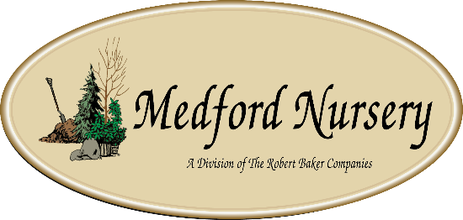

Current Availability for the Week of January 11, 2026
Order Date: |  |  |  | Purch. Order # :
Ship Date: |  |  |  | Terms:
Sales Rep: |  |  |  | Ship Via:
Customer Billing Address Information: |  |  |  | Customer Ship to Information:
Customer: |  |  |  | Customer:
Street: |  |  |  | Street:
City: |  |  |  | City:
State: |  |  |  | State:
Zip Code: |  |  |  | Zip Code:
Ordered by: |  |  |  | Ordered by:
Phone: |  |  |  | Phone:
Fax: |  |  |  | Fax:
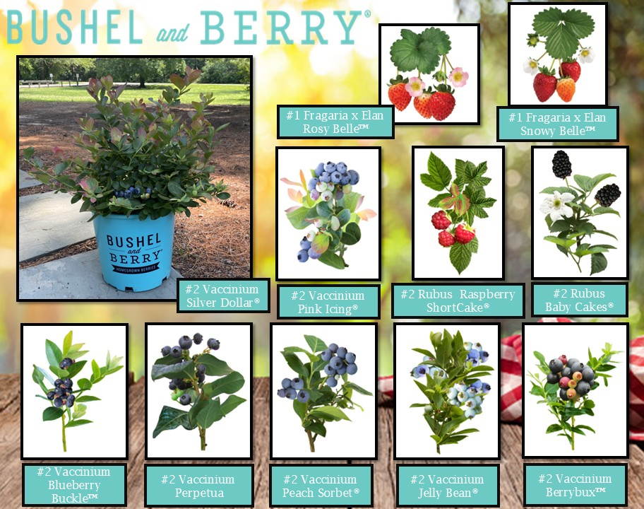
Email: |  |  |  | Please order in Quantities of 5 or more Minimum order for Shipping $1500

Current Plant Photos From Medford Nursery @ This Link or follow the QR code

 | Available |  |  | Container Size | Catolog Price | Special Net Price | Weekly Comment | ExtPrice | UPCcode | ItemId
0 |  |  |  |  |  |  |  | $0.00
 |  | Fit to Eat
 | 59 | Apple Columnar Golden Sentinel™ | avail 3/15 | #5 |  |  | yellow, z4 | $0.00 | 732726099746 | APPCUMGSLG05NSMED
 | 45 | Apple Columnar Northpole | NEW avail 3/15 | #5 |  |  | red, z4 | $0.00 | 732726107670 | APPCUMNPEG05NSMED
 | 53 | Apple Columnar Scarlet Sentinel™ | avail 3/15 | #5 |  |  | red, z4 | $0.00 | 732726099753 | APPCUMSAIG05NSMED
 | 42 | Apple Semi-Dwarf Braeburn | avail 3/15 | #5 |  |  | red, tangy, z5 | $0.00 | 732726096783 | APPSDBRBG05NSMED
 | 58 | Apple Semi-Dwarf Cortland | avail 3/15 | #5 |  |  | bright red, sweet, z4 | $0.00 | 732726077591 | APPSDCORG05NSMED
 | 82 | Apple Semi-Dwarf Fuji | avail 3/15 | #5 |  |  | reddish pink, crisp, juicy z4 | $0.00 | 732726078079 | APPSDFUJG05NSMED
 | 76 | Apple Semi-Dwarf Gala | avail 3/15 | #5 |  |  | mottled red, yellow, sweet, z4 | $0.00 | 732726088276 | APPSDGALG05NSMED
 | 54 | Apple Semi-Dwarf Honeycrisp | avail 3/15 | #5 |  |  | red, crisp, juicy, z3 | $0.00 | 732726077638 | APPSDHONG05NSMED
 | 85 | Apple Semi-Dwarf Jonagold | avail 3/15 | #5 |  |  | red, sweet/tart, z4 | $0.00 | 732726096790 | APPSDJNGG05NSMED
 | 30 | Apple Semi-Dwarf McIntosh | avail 3/15 | #5 |  |  | crimson colour, crunchy, z4 | $0.00 | 732726077652 | APPSDMCNG05NSMED
 | 63 | Apple Semi-Dwarf Northern Spy | avail 3/15 | #5 |  |  | red/green, sweet/tart, z4 | $0.00 | 732726102064 | APPSDNRSG05NSMED
 | 83 | Apple Semi-Dwarf Red Delicious | avail 3/15 | #5 |  |  | dark crimson, sweet , z5 | $0.00 | 732726077607 | APPSDDLSG05NSMED
 | 59 | Apple Semi-Dwarf Snow Famuse | avail 3/15 | #5 |  |  | red, sweet/tart, z3 | $0.00 | 732726102125 | APPSDFAEG05NSMED
 | 75 | Apple Semi-Dwarf Spartan | avail 3/15 | #5 |  |  | red, sweet, z4 | $0.00 | 732726102071 | APPSDSPRG05NSMED
 | 55 | Apple Semi-Dwarf Yellow Delicious | avail 3/15 | #5 |  |  | yellow, sweet, z5 | $0.00 | 732726077614 | APPSDDLYG05NSMED
 | 61 | Apricot Semi-Dwarf Moorpark | avail 3/15 | #5 |  |  | orange w/reddish blush, z4 | $0.00 | 732726077669 | APRSDMRPG05NSMED
 | 61 | Apricot Semi-Dwarf Puget Gold | avail 3/15 | #5 |  |  | mid-summer fruit, z5 | $0.00 | 732726091658 | APRSDPUGG05NSMED
 | 99 | Cherry Semi-Dwarf Bing (sweet) | avail 3/15 | #5 |  |  | dark red, sweet, z4 | $0.00 | 732726077676 | CHRSDBING05NSMED
 | 59 | Cherry Semi-Dwarf Black Republican | NEW avail 3/15 | #5 |  |  | dark red, sweet, z5 | $0.00 | 732726107687 | CHRSDBKUG05NSMED
 | 131 | Cherry Semi-Dwarf Black Tartarian (sweet) | avail 3/15 | #5 |  |  | red, early bloom, rich flavor, z5 | $0.00 | 732726077683 | CHRSDBLTG05NSMED
 | 89 | Cherry Semi-Dwarf Lapins | avail 3/15 | #5 |  |  | red, sweet, z5 | $0.00 | 732726102088 | CHRSDLAPG05NSMED
 | 65 | Cherry Semi-Dwarf Rainier (sweet) | avail 3/15 | #5 |  |  | red, z5 | $0.00 | 732726099784 | CHRSDRANG05NSMED
 | 80 | Cherry Semi-Dwarf Stella (sweet) | avail 3/15 | #5 |  |  | dark red, sweet, juicy, z5 | $0.00 | 732726077706 | CHRSDSTLG05NSMED
 | 85 | Cherry Semi-Dwarf Sweetheart (sweet) | avail 3/15 | #5 |  |  | red, heavy producer, z5 | $0.00 | 732726088283 | CHRSDSTHG05NSMED
 | 659 | Fragaria x Elan Snowy Belle™ | Strawberry, avail 4/15 | #1 |  |  | everbearing, z5 | $0.00 | 732726095496 | FGAXXSYEG01NSMED
 | 688 | Fragaria x Frisan Rosy Belle™ | Strawberry, avail 4/15 | #1 |  |  | everbearing, z5 | $0.00 | 732726095502 | FGAXXRYEG01NSMED
 | 150 | Fragaria x ananassa Tristan | Strawberry, avail 4/15 | #1 |  |  | everbearing, z4 | $0.00 | 732726095526 | FGAANATSAG01NSMED
 | 48 | Nectarine Semi-Dwarf Fantasia | avail 3/15 | #5 |  |  | yellow, sweet, z5 | $0.00 | 732726096851 | NCTSDFNTG05NSMED
 | 39 | Nectarine Semi-Dwarf Flavortop | avail 3/15 | #5 |  |  | yellow/red, sweet, z5 | $0.00 | 732726102095 | NCTSDFVTG05NSMED
 | 58 | Nectarine Semi-Dwarf Goldmine | avail 3/15 | #5 |  |  | self polinating, z5 | $0.00 | 732726104631 | NCTSDGDXG05NSMED
 | 45 | Nectarine Semi-Dwarf Red Gold | NEW avail 3/15 | #5 |  |  | freestone, self pollinator, z5 | $0.00 | 732726107694 | NCTSDRGDG05NSMED
 | 80 | Pear Semi-Dwarf Clapps Favorite | avail 3/15 | #5 |  |  | yellow, sweet, z5 | $0.00 | 732726096899 | PERSDCFVG05NSMED
 | 31 | Pear Semi-Dwarf D'Anjou | avail 3/15 | #5 |  |  | green, z5 | $0.00 | 732726102897 | PERSDDANG05NSMED
 | 45 | Pear Semi-Dwarf Red Bartlett | avail 3/15 | #5 |  |  | red, large, juicy, z5 | $0.00 | 732726096905 | PERSDRTLG05NSMED
 | 46 | Plum Semi-Dwarf Burbank | avail 3/15 | #5 |  |  | red/yellow, sweet, z5 | $0.00 | 732726077744 | PLMSDBURG05NSMED
 | 76 | Plum Semi-Dwarf French Petite | avail 3/15 | #5 |  |  | purple, sweet, z4 | $0.00 | 732726088337 | PLMSDFCPG05NSMED
 | 56 | Plum Semi-Dwarf Hollywood | avail 3/15 | #5 |  |  | dark red, juicy, z4 | $0.00 | 732726091740 | PLMSDHYWG05NSMED
 | 37 | Plum Semi-Dwarf Methley | avail 3/15 | #5 |  |  | red/purple, sweet, z5 | $0.00 | 732726096936 | PLMSDMTEG05NSMED
 | 38 | Plum Semi-Dwarf Satsuma | avail 3/15 | #5 |  |  | red, sweet, z5 | $0.00 | 732726096943 | PLMSDPUMG05NSMED
 | 69 | Plum Semi-Dwarf Stanley Prune | avail 3/15 | #5 |  |  | purple, sweet, z5 | $0.00 | 732726077768 | PLMSDSTNG05NSMED
 | 607 | Rubus Baby Cakes® #27032 | Blackberry, thornless, B&B® | #2 |  |  | black, z4 | $0.00 | 732726086807 | RUBBBBYKG02NSMED
 | 116 | Rubus Navaho | Blackberry, thornless | #3 |  |  | black, z6 | $0.00 | 732726101272 | RUBBBNVHG03NSMED
 | 440 | Rubus Raspberry ShortCake® #22141 | Raspberry, Bushel and Berry® | #2 |  |  | red, z4 | $0.00 | 732726086814 | RUBBBRPKG02NSMED
 | 244 | Rubus Taste of Heaven® #33330 | PW, Blackberry, thornless | #2 |  |  | black, z6 | $0.00 | 732726102057 | RUBXXTOHG02NSMED
 | 283 | Rubus idaeus Boyne | Raspberry | #3 |  |  | deep red, z3 | $0.00 | 732726095137 | RUBIDSBOYG03NSMED
 | 94 | Rubus idaeus Heritage | Raspberry | #3 |  |  | red, z4 | $0.00 | 732726095144 | RUBIDSHRTG03NSMED
 | 662 | Vaccinium Berrybux® #25467 | Blueberry, Bushel and Berry® | #2 |  |  | fruits mid season, z4 | $0.00 | 732726095052 | VCCBBBBXG02NSMED
 | 136 | Vaccinium Blueberry Buckle® #22521 | Blueberry, Bushel and Berry® | #2 |  |  | fruits mid season, z6 | $0.00 | 732726086821 | VCCBBBUBG02NSMED
 | 534 | Vaccinium Jelly Bean® #24662 | Blueberry, Bushel and Berry® | #2 |  |  | fruits mid season, z4 | $0.00 | 732726086838 | VCCBBJLBG02NSMED
 | 414 | Vaccinium Peach Sorbet® #23325 | Blueberry, Bushel and Berry® | #2 |  |  | fruits mid season, z5 | $0.00 | 732726086845 | VCCBBPCBG02NSMED
 | 202 | Vaccinium Perpetua #24209 | Blueberry, Bushel and Berry® | #2 |  |  | fruits mid to late season, z4 | $0.00 | 732726086852 | VCCBBPEUG02NSMED
 | 383 | Vaccinium Pink Icing® #23336 | Blueberry, Bushel and Berry® | #2 |  |  | fruits mid season, z5 | $0.00 | 732726095113 | VCCBBPIGG02NSMED
 | 320 | Vaccinium Silver Dollar® #32184 | Blueberry, Bushel and Berry® | #2 |  |  | fruits mid to late season, z5 | $0.00 | 732726095120 | VCCBBSIDG02NSMED
 | 58 | Vaccinium Splendid!® Blue PPAF | PW | #2 |  |  | fruits mid season, z6 | $0.00 | 732726103726 | VCCXXSNIG02NSMED
...

