Shrubs and Perennials (2)
Current Availability for the Week of October 19, 2025
Order Date: |  |  |  | Purch. Order # :
Ship Date: |  |  |  | Terms:
Sales Rep: |  |  |  | Ship Via:
Customer Billing Address Information: |  |  |  | Customer Ship to Information:
Customer: |  |  |  | Customer:
Street: |  |  |  | Street:
City: |  |  |  | City:
State: |  |  |  | State:
Zip Code: |  |  |  | Zip Code:
Ordered by: |  |  |  | Ordered by:
Phone: |  |  |  | Phone:
Fax: |  |  |  | Fax:
Email: |  |  |  | Please order in Quantities of 5 or more Shipping minimum $1500
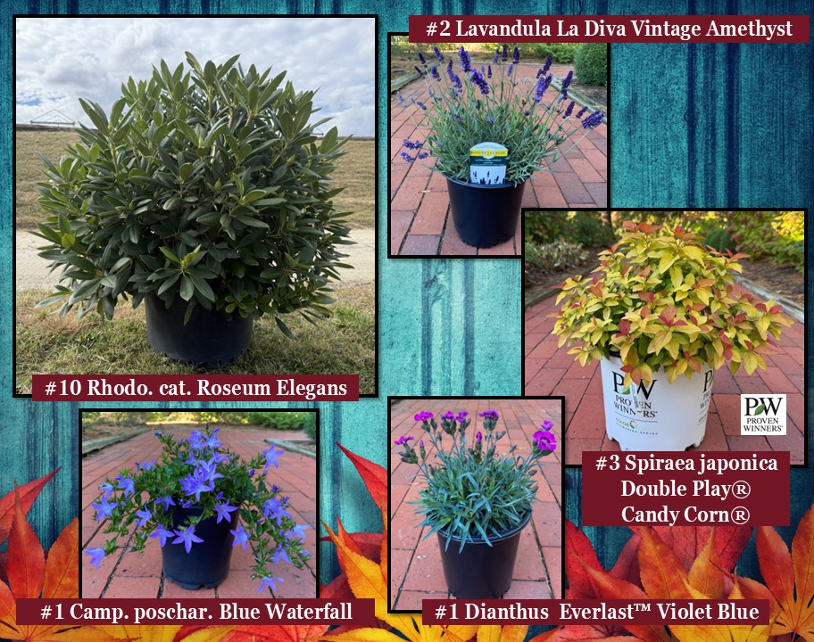

Current Plant Photos From Medford Nursery @ This Link or follow the QR code

 | Available |  |  | Container Size | Catolog Price | Special Net Price | Weekly Comment | ExtPrice | UPCcode | ItemId
0 |  |  |  |  |  |  |  | $0.00
 |  | Fit to Eat
 | 1010 | Rubus Baby Cakes® #27032 | Blackberry, thornless, B&B® | #2 |  |  | fall color | $0.00 | 732726086807 | RUBBBBYKG02NSMED
 | 190 | Rubus Fall Gold | Raspberry | #3 |  |  | fall color | $0.00 | 732726097100 | RUBXXFGDG03NSMED
 | 215 | Rubus Navaho | Blackberry, thornless | #3 |  |  | fall color | $0.00 | 732726101272 | RUBBBNVHG03NSMED
 | 955 | Rubus Raspberry ShortCake® #22141 | Raspberry, Bushel and Berry® | #2 |  |  | landscape | $0.00 | 732726086814 | RUBBBRPKG02NSMED
 | 493 | Rubus Taste of Heaven® #33330 | PW, Blackberry, thornless | #2 |  |  | fall color | $0.00 | 732726102057 | RUBXXTOHG02NSMED
 | 455 | Rubus idaeus Boyne | Raspberry | #3 |  |  | fall color | $0.00 | 732726095137 | RUBIDSBOYG03NSMED
 | 575 | Rubus idaeus Heritage | Raspberry | #3 |  |  | fall color | $0.00 | 732726095144 | RUBIDSHRTG03NSMED
 | 220 | Rubus ursinus Arapaho | Blackberry, thornless | #3 |  |  | fall color | $0.00 | 732726097063 | RUBURNAPOG03NSMED
 | 145 | Vaccinium Berrybux® #25467 | Blueberry, Bushel and Berry® | #2 |  |  | fall color | $0.00 | 732726095052 | VCCBBBBXG02NSMED
 | 197 | Vaccinium Blueberry Buckle® #22521 | Blueberry, Bushel and Berry® | #2 |  |  | fall color | $0.00 | 732726086821 | VCCBBBUBG02NSMED
 | 268 | Vaccinium Perpetua #24209 | Blueberry, Bushel and Berry® | #2 |  |  | fall color | $0.00 | 732726086852 | VCCBBPEUG02NSMED
 | 149 | Vaccinium Pink Icing® #23336 | Blueberry, Bushel and Berry® | #2 |  |  | fall color | $0.00 | 732726095113 | VCCBBPIGG02NSMED
 | 202 | Vaccinium Silver Dollar® #32184 | Blueberry, Bushel and Berry® | #2 |  |  | fall color | $0.00 | 732726095120 | VCCBBSIDG02NSMED
 | 47 | Vaccinium angustifolium | Blueberry, Native | #3 |  |  | landscape | $0.00 | 732726084469 | VCCAGSXXXG03NSMED
 | 1614 | Vaccinium corymbosum Bluecrop | Blueberry, Native | #3 |  |  | fall color | $0.00 | 732726046849 | VCCCRBCRG03NSMED
 | 858 | Vaccinium corymbosum Jersey | Blueberry, Native | #3 |  |  | tip pruned | $0.00 | 732726075016 | VCCCRJRSG03NSMED
 | 750 | Vaccinium corymbosum Patriot | Blueberry, Native | #3 |  |  | tip pruned | $0.00 | 732726053090 | VCCCRPATG03NSMED
 | 418 | Vaccinium corymbosum Pink Lemonade | Blueberry | #3 |  |  | tip pruned | $0.00 | 732726076983 | VCCCRPLMG03NSMED
 | 904 | Vaccinium corymbosum Sunshine Blue | Blueberry | #3 |  |  | tip pruned | $0.00 | 732726055988 | VCCCRSSUG03NSMED
 | 35 | Vitis labrusca Concord | Grape | #2 |  |  | landscape | $0.00 | 732726095090 | VTSLBSCOOG02NSMED
 | 129 | Vitis labrusca Reliance | Grape | #2 |  |  | landscape | $0.00 | 732726068568 | VTSLBSRLCG02NSMED
 |  | Shrubs |  |  |  |  |  | $0.00
 | 188 | Abelia mosanensis Tres Amigos™ | PW | #3 |  |  | 18"+ | $0.00 | 732726098879 | ABEMSNTAGG03NSMED
 | 541 | Aronia melan. Low Scape Mound® USPP28,789 | PW | #3 |  |  | landscape | $0.00 | 732726086760 | AONMLNLSMG03NSMED
 | 163 | Aronia melan. Low Scape Snowfire® #34116 | PW | #3 |  |  | landscape | $0.00 | 732726104068 | AONMLNLSWG03NSMED
 | 1151 | Azalea Ev. Blaauw's Pink |  | #2 |  |  | 15-18" | $0.00 | 732726026780 | AZLEVBWPG02NSMED
 | 2694 | Azalea Ev. Blaauw's Pink |  | #3 |  |  | 18" | $0.00 | 732726000360 | AZLEVBWPG03NSMED
 | 1136 | Azalea Ev. Blaauw's Pink |  | #5 |  |  | 24-30" | $0.00 | 732726000438 | AZLEVBWPG05NSMED
 | 1355 | Azalea Ev. Del. Val. White |  | #2 |  |  | 15-18" | $0.00 | 732726000674 | AZLEVDVWG02NSMED
 | 4999 | Azalea Ev. Del. Val. White |  | #3 |  |  | 18" | $0.00 | 732726000735 | AZLEVDVWG03NSMED
 | 2461 | Azalea Ev. Del. Val. White |  | #5 |  |  | 24-30" | $0.00 | 732726000780 | AZLEVDVWG05NSMED
 | 1001 | Azalea Ev. Gir. Pleasant White |  | #2 |  |  | 15-18" | $0.00 | 732726001510 | AZLEVGPWG02NSMED
 | 2689 | Azalea Ev. Gir. Pleasant White |  | #3 |  |  | 18" | $0.00 | 732726001589 | AZLEVGPWG03NSMED
 | 2247 | Azalea Ev. Gir. Pleasant White |  | #5 |  |  | 24-26" | $0.00 | 732726044241 | AZLEVGPWG05NSMED
 | 1998 | Azalea Ev. Girard Fuchsia |  | #2 |  |  | new crop | $0.00 | 732726040175 | AZLEVGFCG02NSMED
 | 2338 | Azalea Ev. Girard Fuchsia |  | #3 |  |  | 18" | $0.00 | 732726000926 | AZLEVGFCG03NSMED
 | 544 | Azalea Ev. Girard Fuchsia |  | #5 |  |  | 24-26" | $0.00 | 732726046597 | AZLEVGFCG05NSMED
 | 954 | Azalea Ev. Girard Hot Shot |  | #2 |  |  | 15-18" | $0.00 | 732726000995 | AZLEVGHSG02NSMED
 | 1980 | Azalea Ev. Girard Hot Shot |  | #3 |  |  | 18" | $0.00 | 732726001046 | AZLEVGHSG03NSMED
 | 1925 | Azalea Ev. Girard's Crimson |  | #3 |  |  | 18" | $0.00 | 732726074477 | AZLEVGCRG03NSMED
 | 925 | Azalea Ev. Girard's Rose |  | #3 |  |  | 18" | $0.00 | 732726074491 | AZLEVGRSG03NSMED
 | 1285 | Azalea Ev. Hino Crimson |  | #2 |  |  | 15-18" | $0.00 | 732726001732 | AZLEVHNCG02NSMED
 | 1621 | Azalea Ev. Hino Crimson |  | #3 |  |  | 18" | $0.00 | 732726001787 | AZLEVHNCG03NSMED
 | 527 | Azalea Ev. Hino Crimson |  | #5 |  |  | 20-22" | $0.00 | 732726001831 | AZLEVHNCG05NSMED
 | 422 | Azalea Ev. Karen |  | #2 |  |  | 15-18" | $0.00 | 732726002159 | AZLEVKRNG02NSMED
 | 878 | Azalea Ev. Karen |  | #3 |  |  | 18" | $0.00 | 732726002227 | AZLEVKRNG03NSMED
 | 598 | Azalea Ev. Karen |  | #5 |  |  | 22-24" | $0.00 | 732726045354 | AZLEVKRNG05NSMED
 | 728 | Azalea Ev. Mother's Day |  | #2 |  |  | 15-18" | $0.00 | 732726045194 | AZLEVMTHG02NSMED
 | 579 | Azalea Ev. Mother's Day |  | #3 |  |  | 18" | $0.00 | 732726002418 | AZLEVMTHG03NSMED
 | 1310 | Azalea Ev. Poukhanense Compacta |  | #3 |  |  | 18" | $0.00 | 732726059429 | AZLEVPHCG03NSMED
 | 204 | Azalea Ev. Poukhanense Compacta |  | #5 |  |  | 26-28" | $0.00 | 732726058859 | AZLEVPHCG05NSMED
 | 695 | Azalea Ev. Purple Splendor |  | #2 |  |  | 15-18" | $0.00 | 732726002524 | AZLEVPSLG02NSMED
 | 1057 | Azalea Ev. Purple Splendor |  | #3 |  |  | 18", new crop | $0.00 | 732726002579 | AZLEVPSLG03NSMED
 | 760 | Azalea Ev. Purple Splendor |  | #5 |  |  | 26-28" | $0.00 | 732726044166 | AZLEVPSLG05NSMED
 | 964 | Azalea Ev. Stewartstonian |  | #2 |  |  | tip pruned | $0.00 | 732726002821 | AZLEVSWNG02NSMED
 | 2516 | Azalea Ev. Stewartstonian |  | #3 |  |  | tip pruned | $0.00 | 732726002890 | AZLEVSWNG03NSMED
 | 1214 | Azalea Ev. Stewartstonian |  | #5 |  |  | new growth | $0.00 | 732726002951 | AZLEVSWNG05NSMED
 | 1437 | Azalea Ev. Tradition |  | #2 |  |  | 15-18" | $0.00 | 732726003217 | AZLEVTRDG02NSMED
 | 2877 | Azalea Ev. Tradition |  | #3 |  |  | 18" | $0.00 | 732726038752 | AZLEVTRDG03NSMED
 | 1485 | Azalea Ev. Tradition |  | #5 |  |  | 24-26" | $0.00 | 732726044609 | AZLEVTRDG05NSMED
 | 150 | Azalea Ex. Gibraltar |  | #5 |  |  | budding | $0.00 | 732726003699 | AZLEXGRBG05NSMED
 | 40 | Azalea Ex. Mt. St. Helens |  | #5 |  |  | budding | $0.00 | 732726042520 | AZLEXMSTG05NSMED
 | 382 | Berb. WorryFree® Crimson Cutie® |  | #2 |  |  | landscape | $0.00 | 732726086777 | BRBXXWCCG02NSMED
 | 1476 | Berb. WorryFree® Crimson Cutie® |  | #3 |  |  | fall color | $0.00 | 732726086784 | BRBXXWCCG03NSMED
 | 427 | Berb. th. Aurea |  | #2 |  |  | 15", fall color | $0.00 | 732726046665 | BRBTHARAG02NSMED
 | 1382 | Berb. th. Aurea |  | #3 |  |  | fall color | $0.00 | 732726038776 | BRBTHARAG03NSMED
...

