Shrubs and Perennials (2)
Current Availability for the Week of May 17, 2026
Order Date: |  |  |  | Purch. Order # :
Ship Date: |  |  |  | Terms:
Sales Rep: |  |  |  | Ship Via:
Customer Billing Address Information: |  |  |  | Customer Ship to Information:
Customer: |  |  |  | Customer:
Street: |  |  |  | Street:
City: |  |  |  | City:
State: |  |  |  | State:
Zip Code: |  |  |  | Zip Code:
Ordered by: |  |  |  | Ordered by:
Phone: |  |  |  | Phone:
Fax: |  |  |  | Fax:
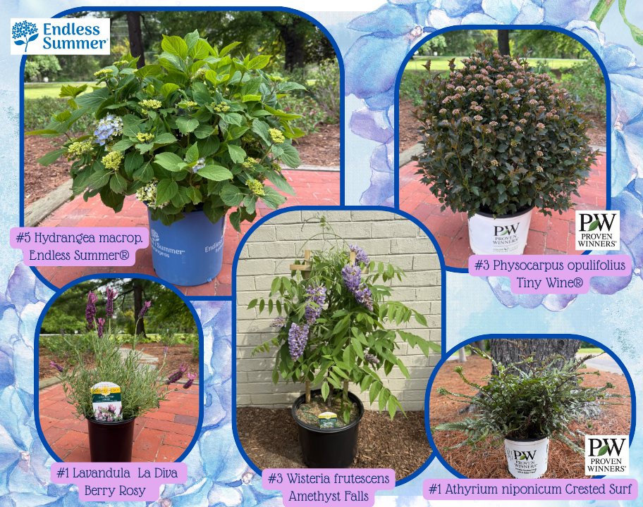
Email: |  |  |  | Please order in Quantities of 5 or more Minimum order for Shipping $1500

Click Here for Current Crop Photos from Medford Nursery on our NEW Website!
 | Available |  |  | Container Size | Catolog Price | Special Net Price | Weekly Comment | ExtPrice | UPCcode | ItemId
0 |  |  |  |  |  |  |  | 0
 |  | Grower's Choice
 | 4300 | Rose Assorted - Climber, Grandiflora, Hybrid Tea, Floribunda |  | #3 |  |  | min of 25, grower's choice only | $0.00 | 732726033290 | RSEXXASSG03R01MED
 | 100 | Rose David Austin Assorted |  | #3 |  |  | min of 10, grower's choice only | $0.00 | 732726035058 | RSEDAASSG03R01MED
 | 60 | Rose Tr. 36" Assorted |  | #5 |  |  | min of 5, grower's choice only | $0.00 | 732726021877 | RSETRSASSG05R01MED
 |  | Fit to Eat
 | 83 | Fragaria x ananassa Tristan | Strawberry | #1 |  |  | 3/4 pot, bud/bloom, berries | $0.00 | 732726095526 | FGAANATSAG01NSMED
 | 101 | Fragaria x Frisan Rosy Belle™ | Strawberry, B&B® | #1 |  |  | pot full, bud/bloom, berries | $0.00 | 732726095502 | FGAXXRYEG01NSMED
 | 350 | Rubus Baby Cakes® PP27032 | Blackberry, thornless, B&B® | #2 |  |  | bud/bloom | $0.00 | 732726086807 | RUBBBBYKG02NSMED
 | 153 | Rubus Raspberry ShortCake® PP22141 | Raspberry, Bushel and Berry® | #2 |  |  | flushing | $0.00 | 732726086814 | RUBBBRPKG02NSMED
 | 65 | Rubus idaeus Boyne | Raspberry | #3 |  |  | budding | $0.00 | 732726095137 | RUBIDSBOYG03NSMED
 | 769 | Vaccinium corymbosum Sunshine Blue | Blueberry | #3 |  |  | pot full, berries | $0.00 | 732726055988 | VCCCRSSUG03NSMED
 | 233 | Vitis labrusca Concord | Grape | #2 |  |  | 3/4 trellis | $0.00 | 732726095090 | VTSLBSCOOG02NSMED
 | 279 | Vitis labrusca Reliance | Grape | #2 |  |  | 3/4 trellis | $0.00 | 732726068568 | VTSLBSRLCG02NSMED
 |  | Shrubs |  |  |  |  |  | $0.00
 | 52 | Abelia mosanensis Tres Amigos® PP33457 | PW | #3 |  |  | 20" | $0.00 | 732726098879 | ABEMSNTAGG03NSMED
 | 106 | Aronia melan. Low Scape Mound® PP28789 | PW | #3 |  |  | passing bloom | $0.00 | 732726086760 | AONMLNLSMG03NSMED
 | 91 | Azalea Ev. Blaauw's Pink |  | #2 |  |  | passing bloom | $0.00 | 732726026780 | AZLEVBWPG02NSMED
 | 531 | Azalea Ev. Blaauw's Pink |  | #3 |  |  | passing bloom | $0.00 | 732726000360 | AZLEVBWPG03NSMED
 | 218 | Azalea Ev. Del. Val. White |  | #2 |  |  | 15" | $0.00 | 732726000674 | AZLEVDVWG02NSMED
 | 883 | Azalea Ev. Del. Val. White |  | #3 |  |  | 18-22" | $0.00 | 732726000735 | AZLEVDVWG03NSMED
 | 1438 | Azalea Ev. Del. Val. White |  | #5 |  |  | passing bloom | $0.00 | 732726000780 | AZLEVDVWG05NSMED
 | 158 | Azalea Ev. Gir. Pleasant White |  | #2 |  |  | bud/bloom | $0.00 | 732726001510 | AZLEVGPWG02NSMED
 | 983 | Azalea Ev. Gir. Pleasant White |  | #3 |  |  | bud/bloom | $0.00 | 732726001589 | AZLEVGPWG03NSMED
 | 2710 | Azalea Ev. Gir. Pleasant White |  | #5 |  |  | bloom | $0.00 | 732726044241 | AZLEVGPWG05NSMED
 | 596 | Azalea Ev. Girard Fuchsia |  | #3 |  |  | 18"+ | $0.00 | 732726000926 | AZLEVGFCG03NSMED
 | 789 | Azalea Ev. Girard Fuchsia |  | #5 |  |  | 24" | $0.00 | 732726046597 | AZLEVGFCG05NSMED
 | 864 | Azalea Ev. Girard Hot Shot |  | #3 |  |  | passing bloom | $0.00 | 732726001046 | AZLEVGHSG03NSMED
 | 441 | Azalea Ev. Girard's Crimson |  | #3 |  |  | passing bloom | $0.00 | 732726074477 | AZLEVGCRG03NSMED
 | 70 | Azalea Ev. Hino Crimson |  | #2 |  |  | 15" | $0.00 | 732726001732 | AZLEVHNCG02NSMED
 | 185 | Azalea Ev. Hino Crimson |  | #3 |  |  | 18-20" | $0.00 | 732726001787 | AZLEVHNCG03NSMED
 | 332 | Azalea Ev. Hino Crimson |  | #5 |  |  | 22-24" | $0.00 | 732726001831 | AZLEVHNCG05NSMED
 | 245 | Azalea Ev. Karen |  | #5 |  |  | 24" | $0.00 | 732726045354 | AZLEVKRNG05NSMED
 | 54 | Azalea Ev. Mother's Day |  | #2 |  |  | passing bloom | $0.00 | 732726045194 | AZLEVMTHG02NSMED
 | 63 | Azalea Ev. Mother's Day |  | #3 |  |  | passing bloom | $0.00 | 732726002418 | AZLEVMTHG03NSMED
 | 200 | Azalea Ev. Poukhanense Compacta |  | #3 |  |  | 22" | $0.00 | 732726059429 | AZLEVPHCG03NSMED
 | 66 | Azalea Ev. Poukhanense Compacta |  | #5 |  |  | passing bloom | $0.00 | 732726058859 | AZLEVPHCG05NSMED
 | 82 | Azalea Ev. Purple Splendor |  | #3 |  |  | 18"+ | $0.00 | 732726002579 | AZLEVPSLG03NSMED
 | 965 | Azalea Ev. Purple Splendor |  | #5 |  |  | passing bloom | $0.00 | 732726044166 | AZLEVPSLG05NSMED
 | 132 | Azalea Ev. Stewartstonian |  | #2 |  |  | passing bloom | $0.00 | 732726002821 | AZLEVSWNG02NSMED
 | 548 | Azalea Ev. Stewartstonian |  | #3 |  |  | 18-20" | $0.00 | 732726002890 | AZLEVSWNG03NSMED
 | 528 | Azalea Ev. Stewartstonian |  | #5 |  |  | passing bloom | $0.00 | 732726002951 | AZLEVSWNG05NSMED
 | 135 | Azalea Ev. Tradition |  | #2 |  |  | passing bloom | $0.00 | 732726003217 | AZLEVTRDG02NSMED
 | 1381 | Azalea Ev. Tradition |  | #3 |  |  | 18-20" | $0.00 | 732726038752 | AZLEVTRDG03NSMED
 | 1598 | Azalea Ev. Tradition |  | #5 |  |  | passing bloom | $0.00 | 732726044609 | AZLEVTRDG05NSMED
 | 64 | Azalea Ex. Gibraltar |  | #5 |  |  | bloom to passing | $0.00 | 732726003699 | AZLEXGRBG05NSMED
 | 146 | Berb. th. Aurea |  | #2 |  |  | flushing | $0.00 | 732726046665 | BRBTHARAG02NSMED
 | 482 | Berb. th. Aurea |  | #3 |  |  | flushing | $0.00 | 732726038776 | BRBTHARAG03NSMED
 | 73 | Berb. th. Sunjoy Neo® PP33272 | PW | #3 |  |  | 13-15", new crop | $0.00 | 732726098886 | BRBTHSJNG03NSMED
 | 100 | Berb. th. Sunjoy Todo® PP29504 | PW | #3 |  |  | 13-15", new crop | $0.00 | 732726098893 | BRBTHSJYG03NSMED
 | 43 | Berb. WorryFree® Crimson Cutie® |  | #2 |  |  | 12-14" | $0.00 | 732726086777 | BRBXXWCCG02NSMED
 | 575 | Buddleia Birthday Cake® PPAF | BE | #3 |  |  | budding | $0.00 | 732726106284 | BDDXXBDCG03NSMED
 | 228 | Buddleia CranRazz™ PP25730 |  | #3 |  |  | budded | $0.00 | 732726084612 | BDDXXCZZG03NSMED
 | 148 | Buddleia dav. Black Knight |  | #3 |  |  | budding | $0.00 | 732726004542 | BDDDVBLNG03NSMED
 | 636 | Buddleia dav. Dapper® Lavender |  | #3 |  |  | budding | $0.00 | 732726103030 | BDDDVDPAG03NSMED
 | 82 | Buddleia dav. Dapper® Pink |  | #3 |  |  | bud/bloom | $0.00 | 732726104150 | BDDDVDPNG03NSMED
 | 278 | Buddleia dav. Dapper® White |  | #3 |  |  | budding | $0.00 | 732726103047 | BDDDVDETG03NSMED
 | 270 | Buddleia dav. Funky Fuchsia™ PP26278 | FE | #3 |  |  | budded | $0.00 | 732726099333 | BDDDVFYFG03NSMED
 | 330 | Buddleia dav. Groovy Grape™ PP26305 | FE | #3 |  |  | budding | $0.00 | 732726099340 | BDDDVGYGG03NSMED
 | 81 | Buddleia dav. Lo & Behold® Pink Micro Chip | PW | #2 |  |  | bud/bloom | $0.00 | 732726083516 | BDDDVPCCG02NSMED
 | 51 | Buddleia dav. Nanho Blue |  | #3 |  |  | budding | $0.00 | 732726004566 | BDDDVNHBG03NSMED
 | 162 | Buddleia dav. Pink Delight |  | #3 |  |  | budding | $0.00 | 732726004597 | BDDDVPDLG03NSMED
 | 339 | Buddleia Pugster Blue® PP28794 | PW | #3 |  |  | budding | $0.00 | 732726101500 | BDDXXPSBG03NSMED
 | 316 | Buddleia Pugster Periwinkle® PP28796 | PW | #3 |  |  | budding | $0.00 | 732726101470 | BDDXXPSWG03NSMED
 | 480 | Buddleia Trippy Pink® | FE | #3 |  |  | budded | $0.00 | 732726104235 | BDDXXTRYG03NSMED
 | 299 | Buddleia x Miss Molly | PW | #3 |  |  | budded | $0.00 | 732726086135 | BDDXXMLLG03NSMED
 | 604 | Buxus Green Mountain |  | #1 |  |  | 8-10", flushing | $0.00 | 732726005129 | BXSXXGMNG01NSMED
 | 3374 | Buxus Green Mountain |  | #2 |  |  | 15", flushing | $0.00 | 732726034297 | BXSXXGMNG02NSMED
 | 1709 | Buxus Green Mountain |  | #3 |  |  | 18-20" | $0.00 | 732726043091 | BXSXXGMNG03NSMED
 | 1786 | Buxus Green Velvet |  | #1 |  |  | 10", flushing | $0.00 | 732726005204 | BXSXXGVLG01NSMED
...

