Shrubs and Perennials (2)
Current Availability for the Week of April 26, 2026
Order Date: |  |  |  | Purch. Order # :
Ship Date: |  |  |  | Terms:
Sales Rep: |  |  |  | Ship Via:
Customer Billing Address Information: |  |  |  | Customer Ship to Information:
Customer: |  |  |  | Customer:
Street: |  |  |  | Street:
City: |  |  |  | City:
State: |  |  |  | State:
Zip Code: |  |  |  | Zip Code:
Ordered by: |  |  |  | Ordered by:
Phone: |  |  |  | Phone:
Fax: |  |  |  | Fax:
Email: |  |  |  | Please order in Quantities of 5 or more Minimum order for Shipping $1500

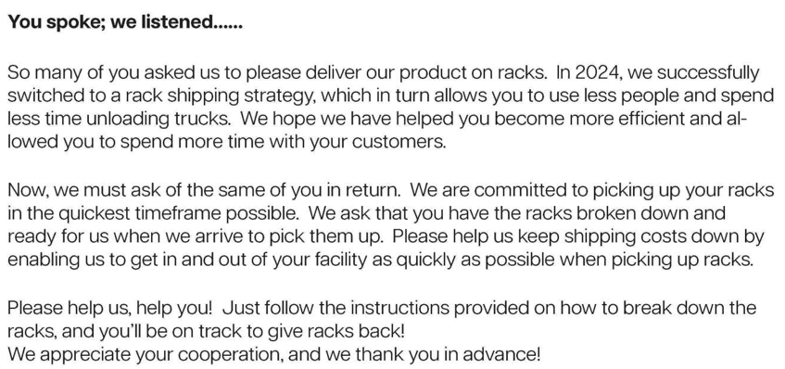

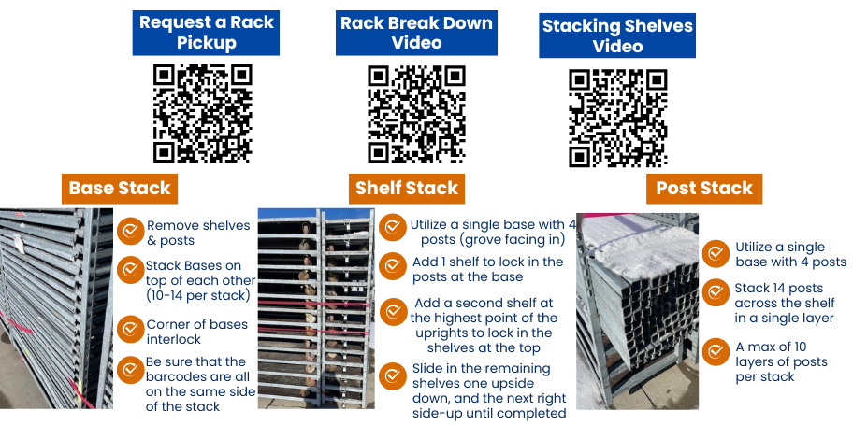

Current Crop Photos From Medford Nursery @ This Link

 | Available |  |  | Container Size | Catolog Price | Special Net Price | Weekly Comment | ExtPrice | UPCcode | ItemId
0 |  |  |  |  |  |  |  | $0.00
 |  | Fit to Eat
 | 2 | Apple Columnar Golden Sentinel™ |  | #5 |  |  | flushing | $0.00 | 732726099746 | APPCUMGSLG05NSMED
 | 9 | Apple Columnar Northpole |  | #5 |  |  | flushing | $0.00 | 732726107670 | APPCUMNPEG05NSMED
 | 34 | Apple Semi-Dwarf Jonagold |  | #5 |  |  | flushing | $0.00 | 732726096790 | APPSDJNGG05NSMED
 | 2 | Apple Semi-Dwarf Red Delicious |  | #5 |  |  | flushing | $0.00 | 732726077607 | APPSDDLSG05NSMED
 | 2 | Apple Semi-Dwarf Snow Famuse |  | #5 |  |  | flushing | $0.00 | 732726102125 | APPSDFAEG05NSMED
 | 13 | Apple Semi-Dwarf Spartan |  | #5 |  |  | flushing | $0.00 | 732726102071 | APPSDSPRG05NSMED
 | 2 | Asian Pear Semi-Dwarf 20th Century (Nijisseiki) |  | #5 |  |  | flushing | $0.00 | 732726096929 | ASPSDTWCG05NSMED
 | 11 | Cherry Semi-Dwarf Black Republican |  | #5 |  |  | flushing | $0.00 | 732726107687 | CHRSDBKUG05NSMED
 | 9 | Cherry Semi-Dwarf Lapins |  | #5 |  |  | flushing | $0.00 | 732726102088 | CHRSDLAPG05NSMED
 | 60 | Fragaria x ananassa Gasana | Strawberry | #1 |  |  | 3/4 pot, bud/bloom | $0.00 | 732726095533 | FGAANAGSAG01NSMED
 | 62 | Fragaria x ananassa Tristan | Strawberry | #1 |  |  | 1/2 pot, bud/bloom | $0.00 | 732726095526 | FGAANATSAG01NSMED
 | 394 | Fragaria x Elan Snowy Belle™ | Strawberry | #1 |  |  | 3/4 pot, bud/bloom | $0.00 | 732726095496 | FGAXXSYEG01NSMED
 | 331 | Fragaria x Frisan Rosy Belle™ | Strawberry, B&B® | #1 |  |  | 3/4 pot, bud/bloom | $0.00 | 732726095502 | FGAXXRYEG01NSMED
 | 5 | Nectarine Semi-Dwarf Goldmine |  | #5 |  |  | flushing | $0.00 | 732726104631 | NCTSDGDXG05NSMED
 | 6 | Nectarine Semi-Dwarf Red Gold |  | #5 |  |  | flushing | $0.00 | 732726107694 | NCTSDRGDG05NSMED
 | 3 | Pear Semi-Dwarf Clapps Favorite |  | #5 |  |  | flushing | $0.00 | 732726096899 | PERSDCFVG05NSMED
 | 21 | Plum Semi-Dwarf French Petite |  | #5 |  |  | flushing | $0.00 | 732726088337 | PLMSDFCPG05NSMED
 | 446 | Rubus Baby Cakes® PP27032 | Blackberry, thornless, B&B® | #2 |  |  | bud/bloom | $0.00 | 732726086807 | RUBBBBYKG02NSMED
 | 29 | Rubus Navaho | Blackberry, thornless | #3 |  |  | budding | $0.00 | 732726101272 | RUBBBNVHG03NSMED
 | 268 | Rubus Raspberry ShortCake® PP22141 | Raspberry, Bushel and Berry® | #2 |  |  | flushing | $0.00 | 732726086814 | RUBBBRPKG02NSMED
 | 204 | Rubus idaeus Boyne | Raspberry | #3 |  |  | budding | $0.00 | 732726095137 | RUBIDSBOYG03NSMED
 | 120 | Rubus Taste of Heaven® PP33330 | PW, Blackberry, thornless | #2 |  |  | budding | $0.00 | 732726102057 | RUBXXTOHG02NSMED
 | 76 | Vaccinium Jelly Bean® PP24662 | Blueberry, Bushel and Berry® | #2 |  |  | blooms | $0.00 | 732726086838 | VCCBBJLBG02NSMED
 | 350 | Vaccinium Peach Sorbet® PP23325 | Blueberry, Bushel and Berry® | #2 |  |  | blooms | $0.00 | 732726086845 | VCCBBPCBG02NSMED
 | 49 | Vaccinium Perpetua PP24209 | Blueberry, Bushel and Berry® | #2 |  |  | blooms | $0.00 | 732726086852 | VCCBBPEUG02NSMED
 | 290 | Vaccinium Pink Icing® PP23336 | Blueberry, Bushel and Berry® | #2 |  |  | blooms | $0.00 | 732726095113 | VCCBBPIGG02NSMED
 | 247 | Vaccinium Silver Dollar® PP32184 | Blueberry, Bushel and Berry® | #2 |  |  | flushing | $0.00 | 732726095120 | VCCBBSIDG02NSMED
 | 233 | Vaccinium angustifolium | Blueberry, Native | #2 |  |  | bud/bloom | $0.00 | 732726105850 | VCCAGSXXXG02NSMED
 | 181 | Vaccinium corymbosum Jersey | Blueberry, Native | #3 |  |  | blooms | $0.00 | 732726075016 | VCCCRJRSG03NSMED
 | 913 | Vaccinium corymbosum Sunshine Blue | Blueberry | #3 |  |  | blooms | $0.00 | 732726055988 | VCCCRSSUG03NSMED
 |  | Shrubs |  |  |  |  |  | $0.00
 | 89 | Azalea Ev. Blaauw's Pink |  | #2 |  |  | bud/bloom | $0.00 | 732726026780 | AZLEVBWPG02NSMED
 | 682 | Azalea Ev. Blaauw's Pink |  | #3 |  |  | bud/bloom | $0.00 | 732726000360 | AZLEVBWPG03NSMED
 | 167 | Azalea Ev. Del. Val. White |  | #2 |  |  | bloom | $0.00 | 732726000674 | AZLEVDVWG02NSMED
 | 1065 | Azalea Ev. Del. Val. White |  | #3 |  |  | bloom | $0.00 | 732726000735 | AZLEVDVWG03NSMED
 | 84 | Azalea Ev. Del. Val. White |  | #5 |  |  | bloom | $0.00 | 732726000780 | AZLEVDVWG05NSMED
 | 204 | Azalea Ev. Gir. Pleasant White |  | #2 |  |  | 15-18" | $0.00 | 732726001510 | AZLEVGPWG02NSMED
 | 1150 | Azalea Ev. Gir. Pleasant White |  | #3 |  |  | 18" | $0.00 | 732726001589 | AZLEVGPWG03NSMED
 | 1185 | Azalea Ev. Gir. Pleasant White |  | #5 |  |  | bud/bloom | $0.00 | 732726044241 | AZLEVGPWG05NSMED
 | 155 | Azalea Ev. Girard Fuchsia |  | #2 |  |  | bloom | $0.00 | 732726040175 | AZLEVGFCG02NSMED
 | 614 | Azalea Ev. Girard Fuchsia |  | #3 |  |  | bloom | $0.00 | 732726000926 | AZLEVGFCG03NSMED
 | 234 | Azalea Ev. Girard Fuchsia |  | #5 |  |  | bloom to passing | $0.00 | 732726046597 | AZLEVGFCG05NSMED
 | 953 | Azalea Ev. Girard Hot Shot |  | #3 |  |  | bloom | $0.00 | 732726001046 | AZLEVGHSG03NSMED
 | 511 | Azalea Ev. Girard's Crimson |  | #3 |  |  | bud/bloom | $0.00 | 732726074477 | AZLEVGCRG03NSMED
 | 56 | Azalea Ev. Hino Crimson |  | #2 |  |  | passing bloom | $0.00 | 732726001732 | AZLEVHNCG02NSMED
 | 237 | Azalea Ev. Hino Crimson |  | #5 |  |  | 20-22" | $0.00 | 732726001831 | AZLEVHNCG05NSMED
 | 49 | Azalea Ev. Mother's Day |  | #2 |  |  | bud/bloom | $0.00 | 732726045194 | AZLEVMTHG02NSMED
 | 182 | Azalea Ev. Poukhanense Compacta |  | #3 |  |  | passing bloom | $0.00 | 732726059429 | AZLEVPHCG03NSMED
 | 82 | Azalea Ev. Purple Splendor |  | #3 |  |  | bloom | $0.00 | 732726002579 | AZLEVPSLG03NSMED
 | 145 | Azalea Ev. Purple Splendor |  | #5 |  |  | bloom | $0.00 | 732726044166 | AZLEVPSLG05NSMED
 | 114 | Azalea Ev. Stewartstonian |  | #2 |  |  | bloom | $0.00 | 732726002821 | AZLEVSWNG02NSMED
 | 551 | Azalea Ev. Stewartstonian |  | #3 |  |  | bloom | $0.00 | 732726002890 | AZLEVSWNG03NSMED
 | 213 | Azalea Ev. Stewartstonian |  | #5 |  |  | bloom | $0.00 | 732726002951 | AZLEVSWNG05NSMED
 | 142 | Azalea Ev. Tradition |  | #2 |  |  | bloom | $0.00 | 732726003217 | AZLEVTRDG02NSMED
 | 1394 | Azalea Ev. Tradition |  | #3 |  |  | bloom | $0.00 | 732726038752 | AZLEVTRDG03NSMED
 | 527 | Azalea Ev. Tradition |  | #5 |  |  | bud/bloom | $0.00 | 732726044609 | AZLEVTRDG05NSMED
 | 189 | Berb. th. Aurea |  | #2 |  |  | flushing | $0.00 | 732726046665 | BRBTHARAG02NSMED
 | 535 | Berb. th. Aurea |  | #3 |  |  | flushing | $0.00 | 732726038776 | BRBTHARAG03NSMED
 | 946 | Buddleia Birthday Cake® PPAF | BE | #3 |  |  | fresh foliage | $0.00 | 732726106284 | BDDXXBDCG03NSMED
 | 421 | Buddleia CranRazz™ PP25730 |  | #3 |  |  | fresh foliage | $0.00 | 732726084612 | BDDXXCZZG03NSMED
 | 715 | Buddleia dav. Black Knight |  | #3 |  |  | budding | $0.00 | 732726004542 | BDDDVBLNG03NSMED
 | 689 | Buddleia dav. Dapper® Lavender |  | #3 |  |  | fresh foliage | $0.00 | 732726103030 | BDDDVDPAG03NSMED
...

